Architecture Design
History
Document status: - IN REVIEW
Sl/no | Date | Responsible person | Version | Comments
1 | 31/5/24 | Anand | V1.0 | Block diagram
2 | 31/5/24 | Rahul | V1.0 | Architecture diagarm

 |  |  |  |  |  | ARCHITECTURE DAIGRAM:
MAIN()
APPLICATION LAYER
ADC_HANDLER()
OLED_HANDLER()
DAC_HANDLER()
EEPROM_HANDLER()
GSM_HANDLER()
GPIO_HANDLER()
COMMON LAYER
ADC()
I2C()
DAC()
UART()
GPIO()
HARDWARE ABSTRACTION LAYER
ADC
I2C()
DAC
UART
GPIO
MICROCONTROLLER
MONITORING INDUSTRIAL PARAMETER ()
RTC_HANDLER()
CONFIGURATOR_HANDLER()

 | BLOCK DIAGRAM

EEPROM
ADC
DAC
UART
MODBUS STACK
BOOTLOADER
UART
I2C
GPIO
UART
CONFIGURATOR
ANALOG INPUT
DIGITAL INPUT
GSM
RTC
RS - 485
CLOUD
DISPLAY
STM32
PC
INPUT / OUTPUT

SL.NO | Module Name | TAG ( ARCHITECTURE REQUIREMENT COLLABRATIVE) | DESCRIPTION |  | SL.NO | INPUT AND OUTPUT PINS
 |  |  |  |  | 1 | ADC(CH1) - PA1, ADC(CH2) - PA4
 |  |  |  |  | 2 | DAC - | SL.NO | NAME | DIAGRAM
1 | STM32 | ARC-001 | The Central Processing Unit that manages data collection, processing and transmission.,Interfaces with sensors and other peripherals , Process data from ADC and DAC ,Manages communication with the cloud server via UART or other communication protocols. |  | 3 | GPIO PIN (Door sensor) - | 1 | STM32L432KC | 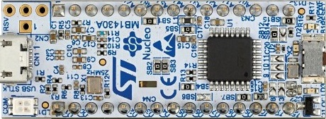
2 | GPIO | ARC-002 | GPIO is used for general input and output tasks.Collects digital signals from sensors and switches.Controls actuators or other output device. Configurable for various input/output tasks as neededin the project. |  | 4 | CONFIGURATOR VIA UART - PA9(Tx), PA10(Rx) | 2 | REED SWITCH SENSOR (MC-38 WIRED DOOR WINDOW SENSOR MAGNETIC SWITCH) | 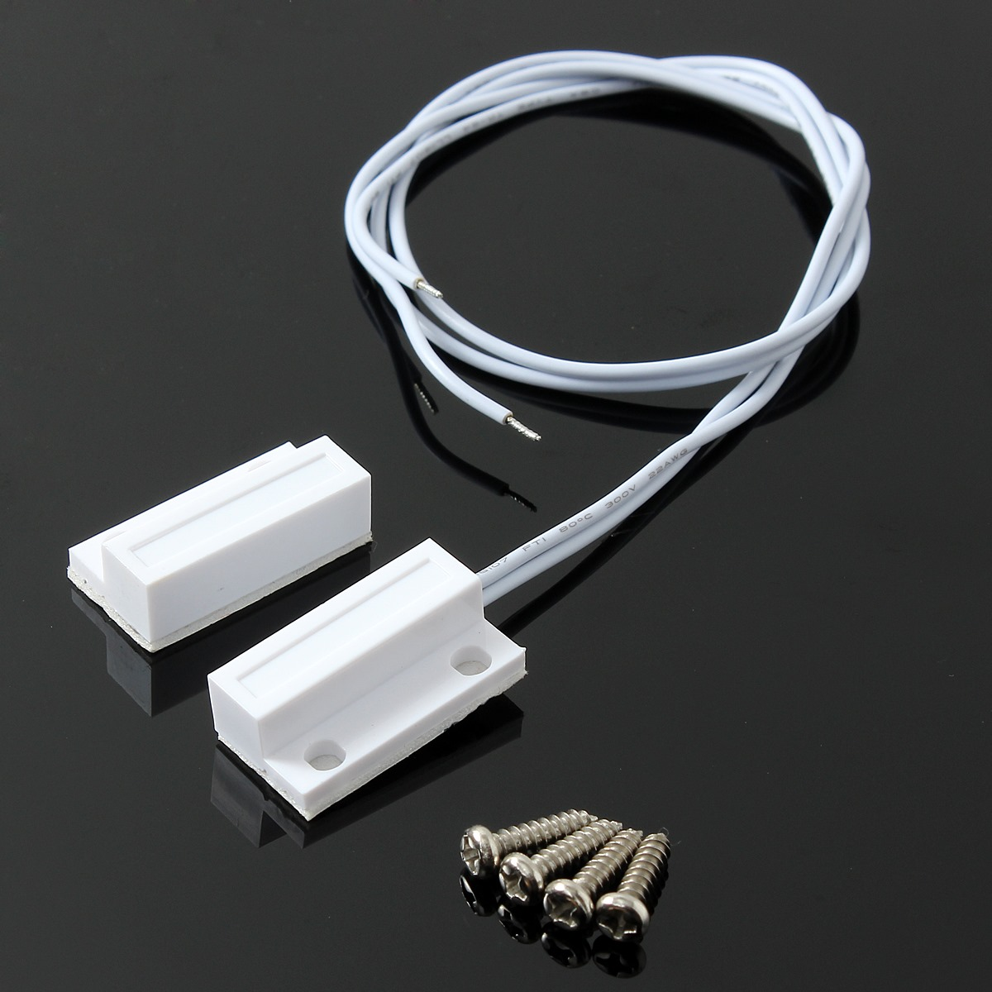
3 | UART(Universl Synchronous Reciever - Transmitter ) | ARC-003 | A Communication interface for serial data transmission. Sends and receives data between the microcontroller and external devices. Facilitates communication with cloud services using standard protocols. |  | 5 | GSM VIA UART - PA2(Tx), PA3(Rx) | 3 | GSM MODULE
4 | DISPLAY(LCD) | ARC-004 | A user interface component for visual feedback.shows real time data such as voltage readings ,system status and error messages,Provides a user interface for configuring system parameters and monitoring operation. |  | 6 | RTC and OLED VIA I2C - PB6(SCL), PB7(SDA) | 4 | OLED | 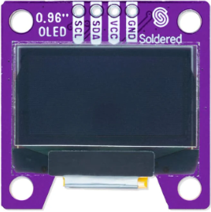
5 | ADC | ARC-005 | Converts analog signals into digital data for the microcontroller ,Reads voltage levels from the sensors or the other analog inputs,Converts these readings into digital values that can be processed by the microcontroller |  | 7 |  | 5 | I2C MODULE | 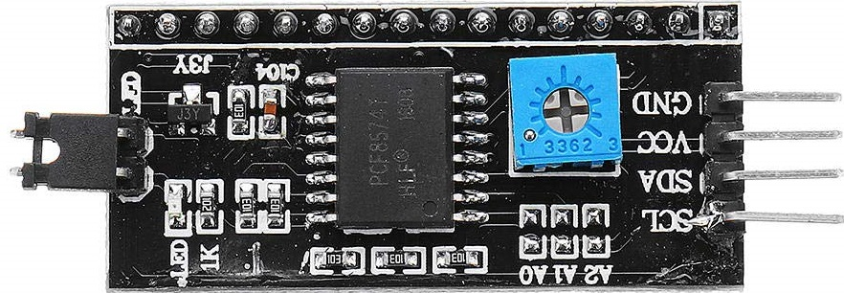
6 | DAC | ARC-006 | Converts digital data from the microcontroller into analog signals ,Outputs analog signals based on the digital instructions from the microcontroller,used for applications like control signals to actuators or analog feedback systems. |  | 8 |  | 6 | RTC MODULE | 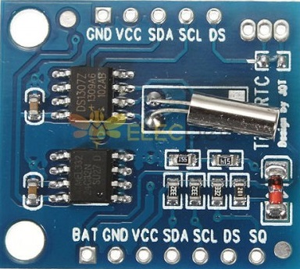
7 | RTC | ARC-007 | Keeps track of the current time and date.Provides time stamps for the data logging and events.Ensures accurate timekeeping for scheduled tasks and data synchronization. |  |  |  | 7 | ANALOG SENSOR (LM35) | 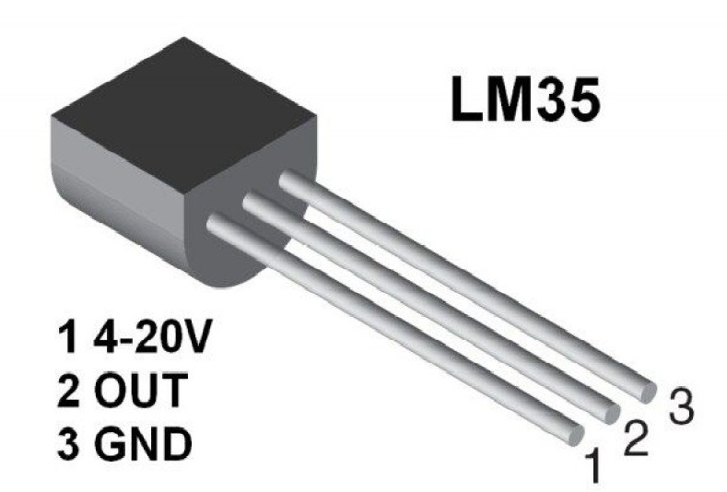
8 | Configurator | ARC-008 | Software tools or Interfaces for configuring the system parameters ,Allows user to set up and modify system settings such as sampling rates ,communication parameters,and alert threshold, Provides a user-friendly interface for configuring the microcontroller and peripheral settings. |  |  |  | 8 | DIGITAL SENSOR | 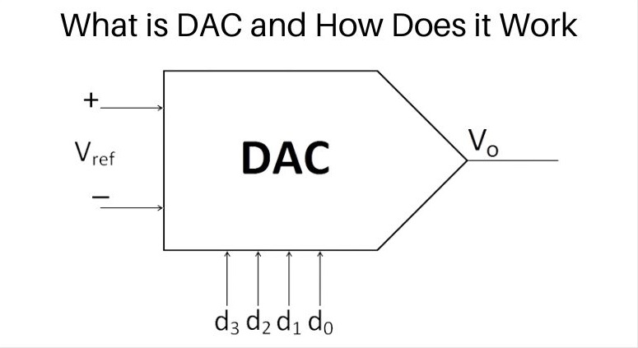
9 | I2C | ARC-009 | It has Wide Compatibility, Many sensors for temperature, pressure, humidity, and other industrial parameters use I2C for communication. I2C allows multiple sensors to be connected to the same bus, simplifying wiring and reducing the number of GPIO pins required on the MCU.
10 | GSM | ARC-010 | GSM is global system for mobile communications .It senses the signal and data is pushed to cloud.If any signal is sensed by GSM Module then data is collected in EEPROM Memory.
11 | Bootloader | ARC-011 | A bootloader is an essential component of STM32-based system, enabling secure and reliable firmware updates, system recovery, and initial firmware programming. By designing and implementing the bootloader, it can be ensured that industrial monitoring system remains robust, up-to-date, and resilient to software issues.

GPIO
MAIN
CAR_WINDOW_CONTROL_UINT()
APPLICATION LAYER
COMMON LAYER
HARDWARE ABSTRACTION LAYER
GPIO_HANDLER()
ADC_HANDLER()
GPIO_HANDLER()
UART_HANDLER()
CAN_HANDLER()
MICROCONTROLLER
GPIO
PWM
ADC
GSM
CAN
GPIO
PWM
ADC
UART
CAN

Low level design
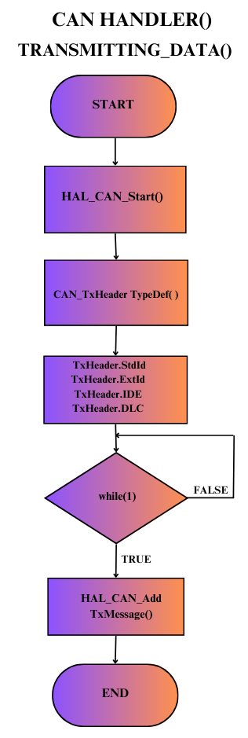

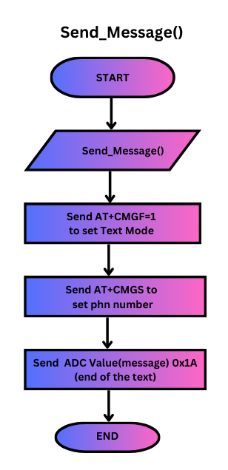
P
Document status: - IN REVIEW
Sl/no | Date | Responsible person | Version | Comments
1 | 2/7/2024 | Rahul | V1.0 | Configurator Flowchart
 |  | Anand | V1.0 | RTC Flowchart
 |  | Ramya | V1.0 | ADC Flowchart

START
END
GPIO_INIT()
ADC_INIT()
OLED_INIT()
I2C_INIT()
UART_INIT()
CONFIGURATOR_INIT()
While(1)
IPM()
True
False
START
ADC_Handler()
DAC_Handler()
EEPROM_Handler()
RTC_Handler()
OLED_Handler()
GSM_Handler()
END
CONFIGURATOR_Handler()
Start
ADC_Start()
ADC_Pollforconversion()
Analog_Calculation()
END
START
Analog=ADC_Getval()
Voltage val
END
START
SET_TIME()
GET_TIME()
END
START
Dec_to_bcd()
HAL_I2C_Men_write()
END
START
HAL_I2C_Mem_read()
Bcd_to_dec()
END
START
Read val
(val/10*16)+(val%10)
END
START
Read val
(val/16*10)+(val%16)
END
SL.NO | MODULE | DESCRIPTION
1 | GPIO | GPIO - General Purpose Input Output. These are input/output pins which are used to interface external peripherals In this project GPIO pins are connected to Read switch |  | MAIN FLOWCHART |  | PROJECT FLOWCHART | FLOWCHART FOR ADC MODULE |  | FLOWCHART FOR RTC MODULE | FLOWCHART FOR SET_TIME () |  | FLOWCHART FOR GET_TIME() | FLOWCHART FOR DEC_TO_BCD() | FLOWCHART FOR BCD_TO_DEC()
2 | ADC | ADC- Analog to digital conversion - We are using 12bit ADC. It contains 8 channels. Temperature sensor(LM35) is connected to ADC pin of Microcontroller. Temperature sensor can measure the temperature in an environment. The measured temperature will be converted to digital output using ADC in the Microcontroller.
3 | DAC | DAC in a microcontroller is a component or module that converts digital signals, usually represented as binary numbers, into analog voltages or currents. This conversion is useful in various applications such as generating analog waveforms, controlling analog systems like motors or sensors, and interfacing with external analog devices.
4 | RTC | RTC via I2C(Real-Time Clock) is externally connected with I2C(Inter-Integrated circuit), by using I2C commands we can set and retreive the data. So that it can keep the track of the current time. In our project RTC is used with Analog value
5 | EEPROM | Electrically Erasable Programmable Read-Only Memory. It's a type of non-volatile memory that retains its data even when the power is turned off. EEPROMs can be electrically erased and reprogrammed, making them ideal for storing data that needs to be updated or modified frequently. Here we use EEPROM for storing small amounts of non-volatile data, such as analog values read by sensor during weak/no signal in GSM module.
6 | OLED | Organic light-emitting diode , also known as organic electroluminescent (organic EL) diode. Here we are using OLED to display the values read from ADC, DAC. It is also used to display time and the battery status. First row is used to display the ADC value and the time and second row is used to display the DAC value.
7 | GSM | GSM(Global System for Mobile Communication) : GSM has been widely adopted globally and is the most common standard for mobile communication today. In our project GSM is used to send the data from the Microcontroller to the cloud via UART protocol.
8 | BOOTLOADER | Bootloader is a small program that initializes the operating system (OS) when a computer or embedded system is powered on or reset. Its primary function is to load the operating system into the system's memory from storage such as a hard drive, SSD, or flash memory. Bootloaders are typically stored in non-volatile memory, such as a ROM or flash memory chip, and are executed by the system's hardware upon startup.
9 | CONFIGURATOR | The configuration of pins like ADC and I2C will be done here. any random GPIO pins can be configured as input or output based on user requirement.

Data_receive();
extract_value();
Start
End
pin_config();
Start
End
getvalue();
data1==value1
data1==value1
data1==value1
switch(1)
switch(2)
switch(3)
case1
case3
case2
TRUE
TRUE
TRUE
FALSE
FALSE
Start
data1==value1
data3==value3
data2==value2
GPIO_READ/WRITE();
End
TRUE
TRUE
TRUE
SL.NO | TAG (LOW LEVEL DESIGN) | FUNCTION NAME | FUN DES | PARAMETERS | OUTPUTS | RETURN | CONFIGURATOR_handler | GPIO_config() | GPIO_config()
1 | SLL_001 | GPIO_init() | GPIO_Init() function is typically used to initialize the configuration of a GPIO (General Purpose Input/Output) pin. | void | null | void

2 | SLL_005 | I2C1_Init() | Used to initialize the I2C peripheral | void | null | void
3 | SLL_006 | RTC_I2C1() | 1. RTC & I2C Peripheral initialized by configuring the parameters. 2. RTC peripheral is enabled, clock source is selected 3. Slave address is read and time is set in DS1307 IC 4. Set time for 20 minutes to display Temperature value for every 20 minutes. 5. I2C protocol is used to communicate with external devices 6. Integrate the RTC & I2C functions. | void | Time:10:53:24 | void
4 | SLL_006.1 | set_time() | This function is used to read and set te time in RTC | uint8_t sec, uint8_t min, uint8_t hour | - | void
 | SLL_006.2 | Dec_to_Bcd | This function is used to convert the decimal format in to binary coded decimal format | int val | conversion completed | int val
 | SLL_006.3 | get_time() | This function is used to get the time from RTC using I2C communication protocol | void | OUTPUT: Time:10:54:23 Temp:31.5 | void
 | SLL_006.4 | Bcd_to_Dec() | This function is used to convert binary coded decimal format in to decimal format | int val | conversion completed | int val

 |  |  |  |  |  |  |  |  |  |  |  |  |  |  | I

 |  |  |  |  |  |  |  |  |  |  | -

